Hoja1
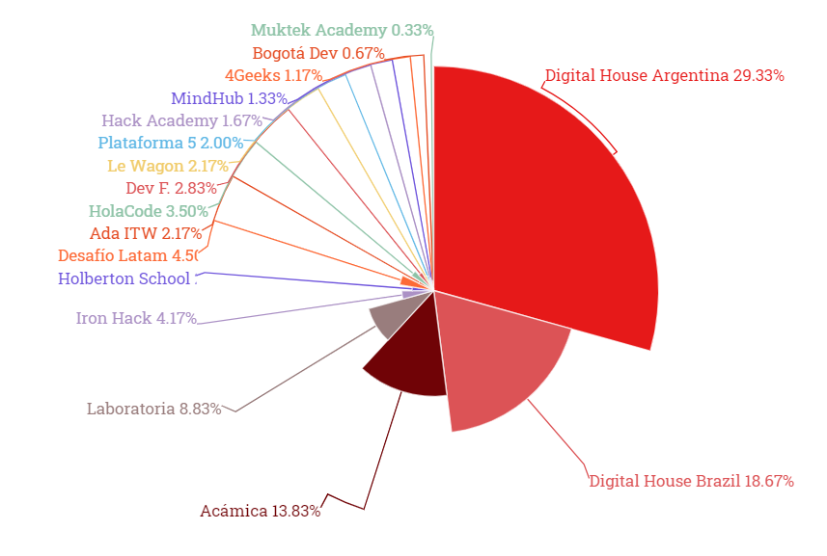
Bootcamps | Number of Latam alumni on LinkedIn page of the school | Percentage | Profiles required for a representative sample of 600
Digital House Argentina | 6834 | 29% | 176
Digital House Brazil | 4369 | 19% | 112
Acámica | 3238 | 14% | 83
Laboratoria | 2060 | 9% | 53
Iron Hack | 980 | 4% | 25
Holberton School | 668 | 3% | 17
Desafío Latam | 1057 | 5%
Ada ITW | 497 | 2% | 13
HolaCode | 800 | 3% | 21
Dev F. | 668 | 3% | 17
Le Wagon | 507 | 2% | 13
Plataforma 5 | 447 | 2% | 12
Hack Academy | 385 | 2% | 10
MindHub | 319 | 1% | 8
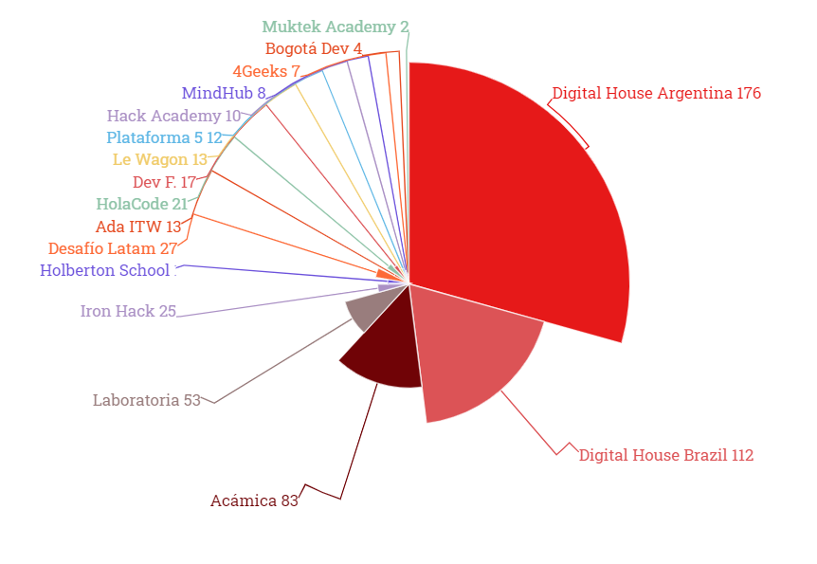
4Geeks | 257 | 1% | 7
Bogotá Dev | 165 | 1% | 4
Muktek Academy | 61 | 0% | 2

